Kappa
 |  |  | KAPPA SOCKS

Photo | Station | Article | Model | EUR | 39/42 | 43/46 | Total
 | 1 | KAP05-15 | Kappa sport socks white 3-pack - 70% cotton, 28% polyester, 1% polyamide 1% elasthan |  | 3568 | 5351 | 8919
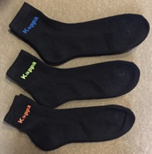 | 3 | KAP5555 | Kappa biker socks neon 3-pack - 70% cotton, 28% polyester, 1% polyamide 1% elasthan |  | 192 | 288 | 480
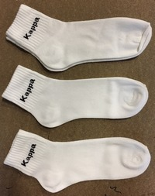 | 4 | KAP5550-W | Kappa biker socks white 3-pack - 70% cotton, 28% polyester, 1% polyamide 1% elasthan |  | 848 | 1272 | 2120
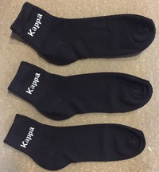 | 5 | KAP5550-B | Kappa biker socks black 3-pack - 70% cotton, 28% polyester, 1% polyamide 1% elasthan |  | 271 | 408 | 679
 |  |  |  |  |  |  | 12198

 |  |  |  | Box contents
 |  |  |  | Pre-packed | 39/42 | 43/46 | Total
 |  |  |  |  | 16 | 24 | 40

